Sheet1
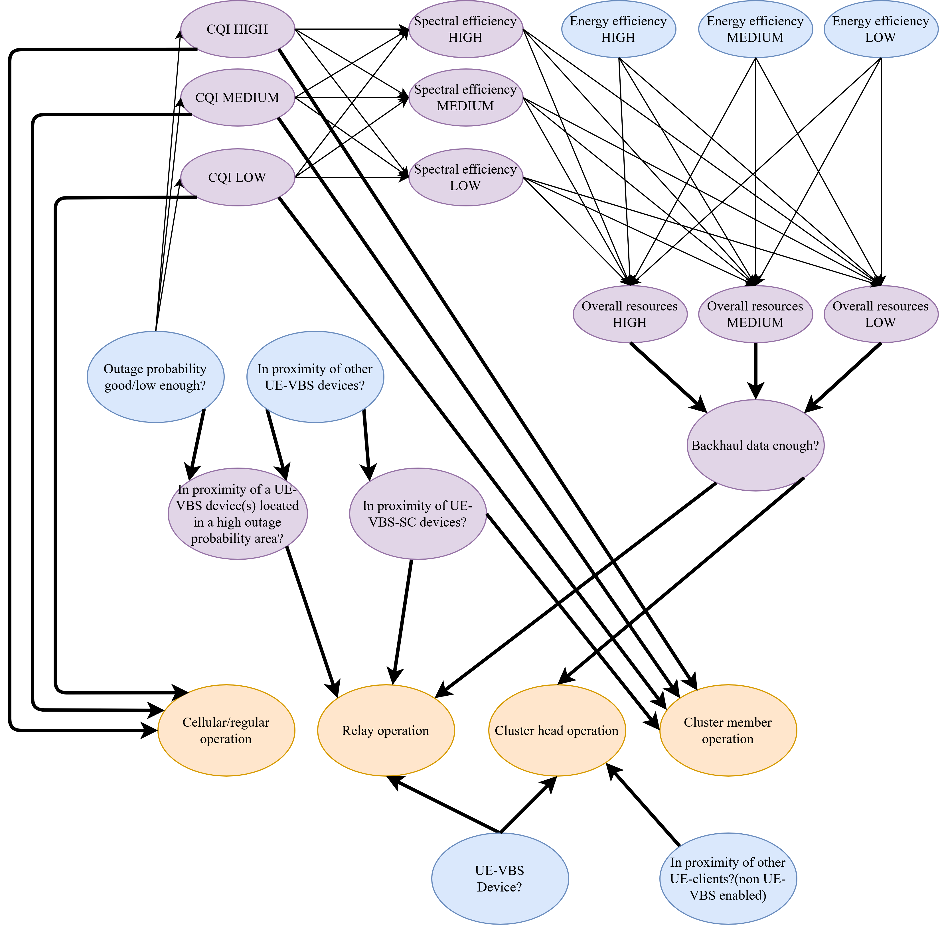
UE-VBS device?
T | 0.05
F | 0.95

In proximity of other UE-clients?
T | 0.9
F | 0.1

Outage probaility good/low enough? |  | CQI HIGH |Outage probability good/low? |  |  |  |  | CQI MEDIUM |Outage probability good/low? |  |  |  |  | CQI LOW |Outage probability good/low? |  |  |  |  | Spectral efficiency HIGH | CQI HIGH, CQI MEDIUM, CQI LOW |  |  |  |  |  |  | Spectral efficiency MEDIUM | CQI HIGH, CQI MEDIUM, CQI LOW |  |  |  |  | Spectral efficiency LOW | CQI HIGH, CQI MEDIUM, CQI LOW
T | 0.95 |  | T | F |  |  |  | T | F |  |  |  | T | F |  |  | HIGH | MED | LOW | T | F |  |  | HIGH | MED | LOW | T | F | HIGH | MED | LOW | T | F
F | 0.05 | T | 0.9 | 0.1 |  |  | T | 0.7 | 0.3 |  |  | T | 0.01 | 0.99 |  |  | T | T | T | 0.9166 | 0.0834 |  |  | T | T | T | 0.9666 | 0.0334 | T | T | T | 0.9066 | 0.0934
 |  | F | 0.01 | 0.99 |  |  | F | 0.2 | 0.8 |  |  | F | 0.9 | 0.1 |  |  | T | T | F | 0.99 | 0.01 |  |  | T | T | F | 0.8266 | 0.1734 | T | T | F | 0.2066 | 0.7934
In proximity of other UE-VBS device? |  |  |  |  |  |  |  |  |  |  |  |  |  |  |  |  | T | F | T | 0.7766 | 0.2234 |  |  | T | F | T | 0.2216 | 0.7784 | T | F | T | 0.7666 | 0.2334
T | 0.01 |  |  |  |  |  |  |  |  |  |  |  |  |  |  |  | T | F | F | 0.85 | 0.15 |  |  | T | F | F | 0.0816 | 0.9184 | T | F | F | 0.0666 | 0.9334
F | 0.99 |  |  |  |  |  |  |  |  |  |  |  |  |  |  |  | F | T | T | 0.2216 | 0.7784 |  |  | F | T | T | 0.99 | 0.01 | F | T | T | 0.95 | 0.05
 |  |  |  |  |  |  |  |  |  |  |  |  |  |  |  |  | F | T | F | 0.205 | 0.795 |  |  | F | T | F | 0.85 | 0.15 | F | T | F | 0.25 | 0.75
Energy efficiency HIGH? |  |  |  |  |  |  |  |  |  |  |  |  |  |  |  |  | F | F | T | 0.0816 | 0.9184 |  |  | F | F | T | 0.205 | 0.795 | F | F | T | 0.99 | 0.01
T | 0.33 |  |  |  |  |  |  |  |  |  |  |  |  |  |  |  | F | F | F | 0.065 | 0.935 |  |  | F | F | F | 0.065 | 0.935 | F | F | F | 0.11 | 0.89
F | 0.67

Energy efficiency MEDIUM? |  | Overall resources HIGH | SE HIGH,SE MEDIUM, SE LOW,EE HIGH,EE MEDIUM,EE LOW |  |  |  |  |  |  |  |  | Overall resources MEDIUM | SE HIGH,SE MEDIUM, SE LOW,EE HIGH,EE MEDIUM,EE LOW |  |  |  |  |  |  |  |  | Overall resources LOW | SE HIGH,SE MEDIUM, SE LOW,EE HIGH,EE MEDIUM,EE LOW
T | 0.33 | SE HIGH | SE MEDIUM | SE LOW | EE HIGH | EE MEDIUM | EE LOW | T | F |  | SE HIGH | SE MEDIUM | SE LOW | EE HIGH | EE MEDIUM | EE LOW | T | F |  | SE HIGH | SE MEDIUM | SE LOW | EE HIGH | EE MEDIUM | EE LOW | T | F
F | 0.67 | T | T | T | T | T | T | 0.99 | 0.01 |  | T | T | T | T | T | T | 0.87 | 0.13 |  | T | T | T | T | T | T | 0.87 | 0.13
 |  | T | T | T | T | T | F | 0.94 | 0.06 |  | T | T | T | T | T | F | 0.77 | 0.23 |  | T | T | T | T | T | F | 0.52 | 0.48
Energy efficiency LOW? |  | T | T | T | T | F | T | 0.89 | 0.11 |  | T | T | T | T | F | T | 0.52 | 0.48 |  | T | T | T | T | F | T | 0.77 | 0.23
T | 0.33 | T | T | T | T | F | F | 0.84 | 0.16 |  | T | T | T | T | F | F | 0.42 | 0.58 |  | T | T | T | T | F | F | 0.42 | 0.58
F | 0.67 | T | T | T | F | T | T | 0.6 | 0.4 |  | T | T | T | F | T | T | 0.86 | 0.14 |  | T | T | T | F | T | T | 0.86 | 0.14
 |  | T | T | T | F | T | F | 0.55 | 0.45 |  | T | T | T | F | T | F | 0.76 | 0.24 |  | T | T | T | F | T | F | 0.51 | 0.49
 |  | T | T | T | F | F | T | 0.5 | 0.5 |  | T | T | T | F | F | T | 0.51 | 0.49 |  | T | T | T | F | F | T | 0.76 | 0.24
 |  | T | T | T | F | F | F | 0.45 | 0.55 |  | T | T | T | F | F | F | 0.41 | 0.59 |  | T | T | T | F | F | F | 0.41 | 0.59
 |  | T | T | F | T | T | T | 0.94 | 0.06 |  | T | T | F | T | T | T | 0.77 | 0.23 |  | T | T | F | T | T | T | 0.52 | 0.48
 |  | T | T | F | T | T | F | 0.89 | 0.11 |  | T | T | F | T | T | F | 0.67 | 0.33 |  | T | T | F | T | T | F | 0.22 | 0.78
 |  | T | T | F | T | F | T | 0.84 | 0.16 |  | T | T | F | T | F | T | 0.42 | 0.58 |  | T | T | F | T | F | T | 0.42 | 0.58
 |  | T | T | F | T | F | F | 0.79 | 0.21 |  | T | T | F | T | F | F | 0.32 | 0.68 |  | T | T | F | T | F | F | 0.12 | 0.88
 |  | T | T | F | F | T | T | 0.55 | 0.45 |  | T | T | F | F | T | T | 0.76 | 0.24 |  | T | T | F | F | T | T | 0.51 | 0.49
 |  | T | T | F | F | T | F | 0.5 | 0.5 |  | T | T | F | F | T | F | 0.66 | 0.34 |  | T | T | F | F | T | F | 0.21 | 0.79
 |  | T | T | F | F | F | T | 0.45 | 0.55 |  | T | T | F | F | F | T | 0.41 | 0.59 |  | T | T | F | F | F | T | 0.41 | 0.59
 |  | T | T | F | F | F | F | 0.4 | 0.6 |  | T | T | F | F | F | F | 0.31 | 0.69 |  | T | T | F | F | F | F | 0.11 | 0.89
 |  | T | F | T | T | T | T | 0.89 | 0.11 |  | T | F | T | T | T | T | 0.52 | 0.48 |  | T | F | T | T | T | T | 0.77 | 0.23
 |  | T | F | T | T | T | F | 0.84 | 0.16 |  | T | F | T | T | T | F | 0.42 | 0.58 |  | T | F | T | T | T | F | 0.42 | 0.58
 |  | T | F | T | T | F | T | 0.79 | 0.21 |  | T | F | T | T | F | T | 0.22 | 0.78 |  | T | F | T | T | F | T | 0.67 | 0.33
 |  | T | F | T | T | F | F | 0.74 | 0.26 |  | T | F | T | T | F | F | 0.12 | 0.88 |  | T | F | T | T | F | F | 0.32 | 0.68
 |  | T | F | T | F | T | T | 0.5 | 0.5 |  | T | F | T | F | T | T | 0.51 | 0.49 |  | T | F | T | F | T | T | 0.76 | 0.24
 |  | T | F | T | F | T | F | 0.45 | 0.55 |  | T | F | T | F | T | F | 0.41 | 0.59 |  | T | F | T | F | T | F | 0.41 | 0.59
 |  | T | F | T | F | F | T | 0.4 | 0.6 |  | T | F | T | F | F | T | 0.21 | 0.79 |  | T | F | T | F | F | T | 0.66 | 0.34
 |  | T | F | T | F | F | F | 0.35 | 0.65 |  | T | F | T | F | F | F | 0.11 | 0.89 |  | T | F | T | F | F | F | 0.31 | 0.69
 |  | T | F | F | T | T | T | 0.84 | 0.16 |  | T | F | F | T | T | T | 0.42 | 0.58 |  | T | F | F | T | T | T | 0.42 | 0.58
 |  | T | F | F | T | T | F | 0.79 | 0.21 |  | T | F | F | T | T | F | 0.32 | 0.68 |  | T | F | F | T | T | F | 0.12 | 0.88
 |  | T | F | F | T | F | T | 0.74 | 0.26 |  | T | F | F | T | F | T | 0.12 | 0.88 |  | T | F | F | T | F | T | 0.32 | 0.68
 |  | T | F | F | T | F | F | 0.69 | 0.31 |  | T | F | F | T | F | F | 0.02 | 0.98 |  | T | F | F | T | F | F | 0.02 | 0.98
 |  | T | F | F | F | T | T | 0.45 | 0.55 |  | T | F | F | F | T | T | 0.41 | 0.59 |  | T | F | F | F | T | T | 0.41 | 0.59
 |  | T | F | F | F | T | F | 0.4 | 0.6 |  | T | F | F | F | T | F | 0.31 | 0.69 |  | T | F | F | F | T | F | 0.11 | 0.89
 |  | T | F | F | F | F | T | 0.35 | 0.65 |  | T | F | F | F | F | T | 0.11 | 0.89 |  | T | F | F | F | F | T | 0.31 | 0.69
 |  | T | F | F | F | F | F | 0.3 | 0.7 |  | T | F | F | F | F | F | 0.01 | 0.99 |  | T | F | F | F | F | F | 0.01 | 0.99
 |  | F | T | T | T | T | T | 0.6 | 0.4 |  | F | T | T | T | T | T | 0.86 | 0.14 |  | F | T | T | T | T | T | 0.86 | 0.14
 |  | F | T | T | T | T | F | 0.55 | 0.45 |  | F | T | T | T | T | F | 0.76 | 0.24 |  | F | T | T | T | T | F | 0.51 | 0.49
 |  | F | T | T | T | F | T | 0.5 | 0.5 |  | F | T | T | T | F | T | 0.51 | 0.49 |  | F | T | T | T | F | T | 0.76 | 0.24
 |  | F | T | T | T | F | F | 0.45 | 0.55 |  | F | T | T | T | F | F | 0.41 | 0.59 |  | F | T | T | T | F | F | 0.41 | 0.59
 |  | F | T | T | F | T | T | 0.3 | 0.7 |  | F | T | T | F | T | T | 0.92 | 0.08 |  | F | T | T | F | T | T | 0.92 | 0.08
 |  | F | T | T | F | T | F | 0.25 | 0.75 |  | F | T | T | F | T | F | 0.82 | 0.18 |  | F | T | T | F | T | F | 0.57 | 0.43
 |  | F | T | T | F | F | T | 0.2 | 0.8 |  | F | T | T | F | F | T | 0.57 | 0.43 |  | F | T | T | F | F | T | 0.82 | 0.18
 |  | F | T | T | F | F | F | 0.15 | 0.85 |  | F | T | T | F | F | F | 0.47 | 0.53 |  | F | T | T | F | F | F | 0.47 | 0.53
 |  | F | T | F | T | T | T | 0.55 | 0.45 |  | F | T | F | T | T | T | 0.76 | 0.24 |  | F | T | F | T | T | T | 0.51 | 0.49
 |  | F | T | F | T | T | F | 0.5 | 0.5 |  | F | T | F | T | T | F | 0.66 | 0.34 |  | F | T | F | T | T | F | 0.21 | 0.79
 |  | F | T | F | T | F | T | 0.45 | 0.55 |  | F | T | F | T | F | T | 0.41 | 0.59 |  | F | T | F | T | F | T | 0.41 | 0.59
 |  | F | T | F | T | F | F | 0.4 | 0.6 |  | F | T | F | T | F | F | 0.31 | 0.69 |  | F | T | F | T | F | F | 0.11 | 0.89
 |  | F | T | F | F | T | T | 0.25 | 0.75 |  | F | T | F | F | T | T | 0.82 | 0.18 |  | F | T | F | F | T | T | 0.57 | 0.43
 |  | F | T | F | F | T | F | 0.2 | 0.8 |  | F | T | F | F | T | F | 0.72 | 0.28 |  | F | T | F | F | T | F | 0.27 | 0.73
 |  | F | T | F | F | F | T | 0.15 | 0.85 |  | F | T | F | F | F | T | 0.47 | 0.53 |  | F | T | F | F | F | T | 0.47 | 0.53
 |  | F | T | F | F | F | F | 0.1 | 0.9 |  | F | T | F | F | F | F | 0.37 | 0.63 |  | F | T | F | F | F | F | 0.17 | 0.83
 |  | F | F | T | T | T | T | 0.5 | 0.5 |  | F | F | T | T | T | T | 0.51 | 0.49 |  | F | F | T | T | T | T | 0.76 | 0.24
 |  | F | F | T | T | T | F | 0.45 | 0.55 |  | F | F | T | T | T | F | 0.41 | 0.59 |  | F | F | T | T | T | F | 0.41 | 0.59
 |  | F | F | T | T | F | T | 0.4 | 0.6 |  | F | F | T | T | F | T | 0.21 | 0.79 |  | F | F | T | T | F | T | 0.66 | 0.34
 |  | F | F | T | T | F | F | 0.35 | 0.65 |  | F | F | T | T | F | F | 0.11 | 0.89 |  | F | F | T | T | F | F | 0.31 | 0.69
 |  | F | F | T | F | T | T | 0.2 | 0.8 |  | F | F | T | F | T | T | 0.57 | 0.43 |  | F | F | T | F | T | T | 0.82 | 0.18
 |  | F | F | T | F | T | F | 0.15 | 0.85 |  | F | F | T | F | T | F | 0.47 | 0.53 |  | F | F | T | F | T | F | 0.47 | 0.53
 |  | F | F | T | F | F | T | 0.1 | 0.9 |  | F | F | T | F | F | T | 0.27 | 0.73 |  | F | F | T | F | F | T | 0.72 | 0.28
 |  | F | F | T | F | F | F | 0.05 | 0.95 |  | F | F | T | F | F | F | 0.17 | 0.83 |  | F | F | T | F | F | F | 0.37 | 0.63
 |  | F | F | F | T | T | T | 0.45 | 0.55 |  | F | F | F | T | T | T | 0.41 | 0.59 |  | F | F | F | T | T | T | 0.41 | 0.59
 |  | F | F | F | T | T | F | 0.4 | 0.6 |  | F | F | F | T | T | F | 0.31 | 0.69 |  | F | F | F | T | T | F | 0.11 | 0.89
 |  | F | F | F | T | F | T | 0.35 | 0.65 |  | F | F | F | T | F | T | 0.11 | 0.89 |  | F | F | F | T | F | T | 0.31 | 0.69
 |  | F | F | F | T | F | F | 0.3 | 0.7 |  | F | F | F | T | F | F | 0.01 | 0.99 |  | F | F | F | T | F | F | 0.01 | 0.99
 |  | F | F | F | F | T | T | 0.15 | 0.85 |  | F | F | F | F | T | T | 0.47 | 0.53 |  | F | F | F | F | T | T | 0.47 | 0.53
 |  | F | F | F | F | T | F | 0.1 | 0.9 |  | F | F | F | F | T | F | 0.37 | 0.63 |  | F | F | F | F | T | F | 0.17 | 0.83
 |  | F | F | F | F | F | T | 0.05 | 0.95 |  | F | F | F | F | F | T | 0.17 | 0.83 |  | F | F | F | F | F | T | 0.37 | 0.63
 |  | F | F | F | F | F | F | 0.0001 | 0.9999 |  | F | F | F | F | F | F | 0.07 | 0.93 |  | F | F | F | F | F | F | 0.07 | 0.93

 |  | Backhaul data enough? | Overall resources HIGH, Overall resources MEDIUM, Overall resources LOW
 |  | HIGH | MEDIUM | LOW | T | F
 |  | T | T | T | 0.81 | 0.19
 |  | T | T | F | 0.929 | 0.071
 |  | T | F | T | 0.61 | 0.39
 |  | T | F | F | 0.729 | 0.271
 |  | F | T | T | 0.21 | 0.79
 |  | F | T | F | 0.5 | 0.5
 |  | F | F | T | 0.01 | 0.99
 |  | F | F | F | 0.001 | 0.999

 |  | In proximity of a UE-VBS in unreachable are? | (1)Outage probability good?, (2)In proximity of other UE-VBSs?
 |  | (1) | (2) | T | F
 |  | T | T | 0.01 | 0.99
 |  | T | F | 0.01 | 0.99
 |  | F | T | 0.99 | 0.01
 |  | F | F | 0.01 | 0.99

 |  | In proximity of UE-VBS-SC device? |In proximity of other UE-VBSs?
 |  |  | T | F
 |  | T | 0.333 | 0.667
 |  | F | 0.01 | 0.99

 |  | Cellular/regular operation | CQI HIGH, CQI MEDIUM, CQI LOW |  |  |  |  |  | Relay operation | In proximity of UE-VBS+unreachable?, In proximity of other UE-VBS-CS,UE-VBS device?, backhaul data enough?
 |  | HIGH | MED | LOW | T | F |  | (1) | (2) | (3) | (4) | T | F
 |  | T | T | T | 0.9166 | 0.0834 |  | T | T | T | T | 0.955 | 0.045
 |  | T | T | F | 0.99 | 0.01 |  | T | T | T | F | 0.3 | 0.7
 |  | T | F | T | 0.7766 | 0.2234 |  | T | T | F | T | 0.3 | 0.7
 |  | T | F | F | 0.85 | 0.15 |  | T | T | F | F | 0.2 | 0.8
 |  | F | T | T | 0.2216 | 0.7784 |  | T | F | T | T | 0.3 | 0.7
 |  | F | T | F | 0.205 | 0.795 |  | T | F | T | F | 0.2 | 0.8
 |  | F | F | T | 0.0816 | 0.9184 |  | T | F | F | T | 0.2 | 0.8
 |  | F | F | F | 0.065 | 0.935 |  | T | F | F | F | 0.1 | 0.9
 |  |  |  |  |  |  |  | F | T | T | T | 0.3 | 0.7
 |  |  |  |  |  |  |  | F | T | T | F | 0.2 | 0.8
 |  |  |  |  |  |  |  | F | T | F | T | 0.2 | 0.8
 |  |  |  |  |  |  |  | F | T | F | F | 0.1 | 0.9
 |  |  |  |  |  |  |  | F | F | T | T | 0.2 | 0.8
 |  |  |  |  |  |  |  | F | F | T | F | 0.1 | 0.9
 |  |  |  |  |  |  |  | F | F | F | T | 0.1 | 0.9
 |  |  |  |  |  |  |  | F | F | F | F | 0.001 | 0.999

 |  |  |  |  |  |  |  | Cluste head operation | Backhaul data enough?,EU-VBS device?, in proximity of other UE-clients?
 |  |  |  |  |  |  |  | HIGH | MED | LOW | T | F
 |  |  |  |  |  |  |  | T | T | T | 0.95 | 0.05
 |  |  |  |  |  |  |  | T | T | F | 0.2 | 0.8
 |  |  |  |  |  |  |  | T | F | T | 0.2 | 0.8
 |  |  |  |  |  |  |  | T | F | F | 0.1 | 0.9
 |  |  |  |  |  |  |  | F | T | T | 0.2 | 0.8
 |  |  |  |  |  |  |  | F | T | F | 0.1 | 0.9
 |  |  |  |  |  |  |  | F | F | T | 0.1 | 0.9
 |  |  |  |  |  |  |  | F | F | F | 0.001 | 0.999

 |  |  |  |  |  |  |  | Cluster member operation | CQI HIGH, CQI MEDIUM, CQI LOW,in proximity of UE-VBS-SC device?
 |  |  |  |  |  |  |  | (1) | (2) | (3) | (4) | T | F
 |  |  |  |  |  |  |  | T | T | T | T | 0.6 | 0.4
 |  |  |  |  |  |  |  | T | T | T | F | 0.2 | 0.8
 |  |  |  |  |  |  |  | T | T | F | T | 0.9 | 0.1
 |  |  |  |  |  |  |  | T | T | F | F | 0.5 | 0.5
 |  |  |  |  |  |  |  | T | F | T | T | 0.4 | 0.6
 |  |  |  |  |  |  |  | T | F | T | F | 0.001 | 0.999
 |  |  |  |  |  |  |  | T | F | F | T | 0.7 | 0.3
 |  |  |  |  |  |  |  | T | F | F | F | 0.3 | 0.7
 |  |  |  |  |  |  |  | F | T | T | T | 0.6 | 0.4
 |  |  |  |  |  |  |  | F | T | T | F | 0.2 | 0.8
 |  |  |  |  |  |  |  | F | T | F | T | 0.6 | 0.4
 |  |  |  |  |  |  |  | F | T | F | F | 0.2 | 0.8
 |  |  |  |  |  |  |  | F | F | T | T | 0.4 | 0.6
 |  |  |  |  |  |  |  | F | F | T | F | 0.001 | 0.999
 |  |  |  |  |  |  |  | F | F | F | T | 0.4 | 0.6
 |  |  |  |  |  |  |  | F | F | F | F | 0.001 | 0.999

